Sheet1
 |  | Document No. |  | Issue No. |  | Issue Date |  |  | Review and Replace Date |  | Authorised By
 |  | GFF0176MC |  | 1 |  | 11.06.2020 |  |  | New Issue |  | Magda Shah
 |  | Document Title | PULLED BBQ JACKFRUIT WITH CORN SALSA 430G
Document amendments reason for change |  | New product launch |  |  | Page 1 of 1 |  | Previous Issue Date |  |  | New Issue | Uncontrolled copy unless signed original

FVBJSR-R8TMC | MINDFUL CHEF |  |  | PULLED BBQ JACKFRUIT WITH CORN SALSA 430G | FROZEN
STEP 1 |  |  |  | STEP 2
 |  |  |  |  |  |  |  | 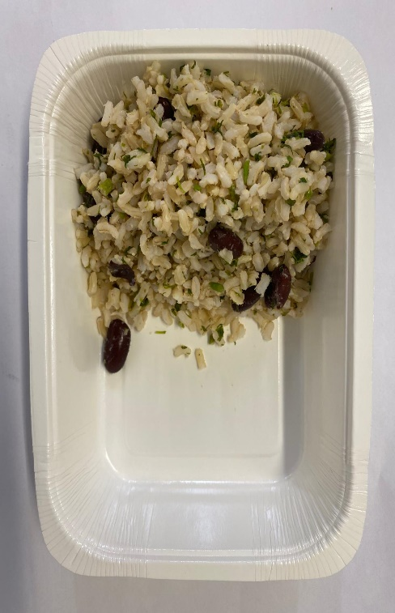

Tray: WHITE OVENABLE BOARD TRAY (PKSOU002-01)
HAND SEALER: Mylar 25OLAF 145mm x 500 (PKWRA001-07)
LINE 1: Mylar 250LAF 250mm x 1000 (PKWRA001-08) |  |  |  |  |  |  |  | Brown Rice with Red Kidney Beans(GFF303R) 130g
LINE 1: K-Peel 75G + AF 25 250mm (PKKMP001-01)
STEP 3 |  |  |  |  |  |  |  | STEP 4
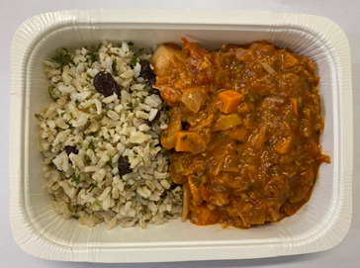 |  |  |  |  |  |  |  | 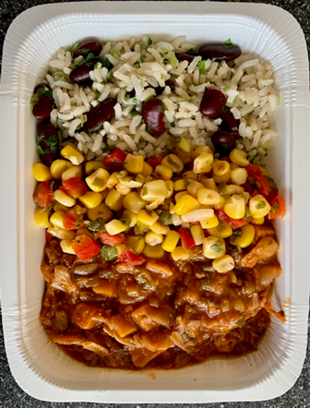

PACK DATE + 1 YEAR

 |  |  |  |  |  |  |  |  |  |  |  | TOTAL WEIGHT: 430g

Pulled BBQ Jackfruit (GFF302R) 240g |  |  |  |  |  |  |  | Mixed Salsa (GFF304R) 60g
ALLERGY ALERT: SOYA

